ENTER DATA HERE
Appetitive

Experiment description : |  |  |  |  |  | CS : | Odour
 |  |  |  |  |  | US : | Saturated sucrose

Starvation : |  |  | Age : |  |  | Odour Volume : in 8 mL of mineral oil
Start |  |  | Date of crossing |  |  | OCT | ml
Duration |  |  | Approximate age |  |  | MCH | ml

Memory test : |  |  |  | Block stage (if shibire): temp in °C and approx % humidity
Immediate |  |  |  | Acquisition
4 hours |  |  |  | Storage
24 hours |  |  |  | Recall

Training : |  |  |  | Testing :
Date |  |  |  | Date
Start |  |  |  | Start
Stop |  |  |  | Stop

Notes:

N | Genotype | This odor is LEFT | Cond. Odor | Vial # | Odor | Count | Half PI | PI | genotype | Mean | SD | SEM
1 | CS | OCT | OCT | 1a | OCT | 62 | 0.74647887324 |  | CS | 0.21454875876 | 0.096364976122 | 0.034070164042
 |  |  |  | 1b | MCH | 9 |  | 0.25059792719 | uas_mCherry | 0.2409137639 | 0.15722743455 | 0.055588292581
2 | CS | OCT | MCH | 2a | OCT | 33 | -0.24528301887
 |  |  |  | 2b | MCH | 20
3 | CS | MCH | MCH | 3a | OCT | 31 | -0.24
 |  |  |  | 3b | MCH | 19 |  | 0.27090909091
4 | CS | MCH | OCT | 4a | OCT | 49 | 0.78181818182
 |  |  |  | 4b | MCH | 6
5 | uas_mCherry | OCT | OCT | 5a | OCT | 47 | 0.46875
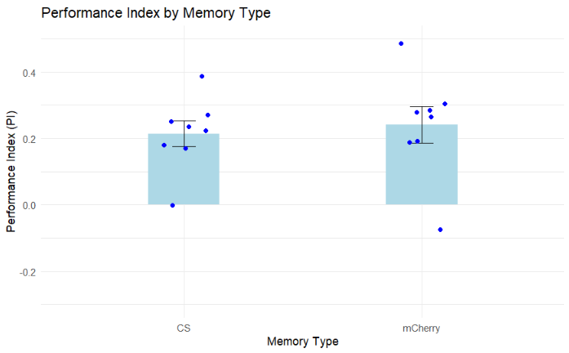
 |  |  |  | 5b | MCH | 17 |  | 0.27982954545
6 | uas_mCherry | OCT | MCH | 6a | OCT | 15 | 0.090909090909
 |  |  |  | 6b | MCH | 18
7 | uas_mCherry | MCH | MCH | 7a | OCT | 21 | 0.066666666667
 |  |  |  | 7b | MCH | 24 |  | 0.18907103825
8 | uas_mCherry | MCH | OCT | 8a | OCT | 40 | 0.31147540984
 |  |  |  | 8b | MCH | 21
9 | CS | OCT | OCT | 9a | OCT | 61 | 0.64864864865
 |  |  |  | 9b | MCH | 13 |  | 0.17047817048
10 | CS | OCT | MCH | 10a | OCT | 51 | -0.30769230769
 |  |  |  | 10b | MCH | 27
11 | CS | MCH | MCH | 11a | OCT | 43 | -0.22857142857
 |  |  |  | 11b | MCH | 27 |  | 0.23646055437
12 | CS | MCH | OCT | 12a | OCT | 57 | 0.70149253731
 |  |  |  | 12b | MCH | 10
13 | uas_mCherry | OCT | OCT | 13a | OCT | 33 | 0.26923076923
 |  |  |  | 13b | MCH | 19 |  | 0.26318681319
14 | uas_mCherry | OCT | MCH | 14a | OCT | 13 | 0.25714285714
 |  |  |  | 14b | MCH | 22
15 | uas_mCherry | MCH | MCH | 15a | OCT | 11 | 0.55102040816
 |  |  |  | 15b | MCH | 38 |  | 0.48662131519
16 | uas_mCherry | MCH | OCT | 16a | OCT | 32 | 0.42222222222
 |  |  |  | 16b | MCH | 13
17 | CS | OCT | OCT | 17a | OCT | 49 | 0.58064516129
 |  |  |  | 17b | MCH | 13 |  | 0.18094758065
18 | CS | OCT | MCH | 18a | OCT | 39 | -0.21875
 |  |  |  | 18b | MCH | 25
19 | CS | MCH | MCH | 19a | OCT | 29 | 0.17142857143
 |  |  |  | 19b | MCH | 41 |  | 0.22207792208
20 | CS | MCH | OCT | 20a | OCT | 28 | 0.27272727273
 |  |  |  | 20b | MCH | 16
21 | uas_mCherry | OCT | OCT | 21a | OCT | 24 | 0.2972972973
 |  |  |  | 21b | MCH | 13 |  | 0.28501228501
22 | uas_mCherry | OCT | MCH | 22a | OCT | 16 | 0.27272727273
 |  |  |  | 22b | MCH | 28
23 | uas_mCherry | MCH | MCH | 23a | OCT | 21 | -0.024390243902
 |  |  |  | 23b | MCH | 20 |  | -0.074695121951
24 | uas_mCherry | MCH | OCT | 24a | OCT | 21 | -0.125
 |  |  |  | 24b | MCH | 27
25 | CS | OCT | OCT | 25a | OCT | 38 | 0.22580645161
 |  |  |  | 25b | MCH | 24 |  | -0.0015546055188
26 | CS | OCT | MCH | 26a | OCT | 51 | -0.22891566265
 |  |  |  | 26b | MCH | 32
27 | CS | MCH | MCH | 27a | OCT | 16 | 0.55555555556
 |  |  |  | 27b | MCH | 56 |  | 0.38647342995
28 | CS | MCH | OCT | 28a | OCT | 28 | 0.21739130435
 |  |  |  | 28b | MCH | 18
29 | uas_mCherry | OCT | OCT | 29a | OCT | 25 | 0.21951219512
 |  |  |  | 29b | MCH | 16 |  | 0.19308943089
30 | uas_mCherry | OCT | MCH | 30a | OCT | 20 | 0.16666666667
 |  |  |  | 30b | MCH | 28
31 | uas_mCherry | MCH | MCH | 31a | OCT | 6 | 0.42857142857
 |  |  |  | 31b | MCH | 15 |  | 0.30519480519
32 | uas_mCherry | MCH | OCT | 32a | OCT | 26 | 0.18181818182
 |  |  |  | 32b | MCH | 18

